Test instructions
Test Instructions

The Data tab has the following detail by order for Jan-Jun 2020:
- Country code
- Tier 1 & Tier 2 product categories
- Customer segment
- Order number
- Quantity sold
- Sales & cost data

The task

We expect candidate to review the data and present it back in what they consider the most appropriate manner:
- What key insights and trends can be drawn from the data?
- What actions would you take from the insight?
- What additional information would you want/need? How would you go about obtaining it?
- Any other relevant thought or observations?

Format

The candidate can use whatever format they would consider ppropriate using relevant tools (graphs, tables, etc.)

ANALYSIS

Additional information that could enhance a price analysis might include:

1. Product Details: Detailed product characteristics such as size, color, brand, material, etc., which could influence its price. This data could be obtained from product catalogs or databases.
2. Competitor Prices: Knowing what competitors charge for similar products can provide valuable context for our price analysis. This data might be collected through web scraping, market research firms, or manual research.
3. Historical Price Changes: Understanding how the price of each product has changed over time can provide insights into pricing strategy and market dynamics. This data should be available in your sales records or accounting system.

4. Discounts and Promotions: Any discounts or promotions applied to the products. Discounts can significantly impact the final sales price and need to be considered in the analysis. This information can be gathered from sales records or marketing databases.

5.Data period: With only six months of data, we'll not have a full view of the yearly cycle. Many products have seasonal demand patterns (like winter clothing or holiday-related items), and without a full year of data, it might be impossible to accurately forecast these patterns.

6. Market Conditions: Information about the economic environment, consumer sentiment, and industry trends can also impact prices and would be useful to include in your analysis. This could be gathered from industry reports, economic indicators, and market research.

WORKBOOK SUMMARY

1. The product matrix, created with Python, provides a quick assessment of the performance of each product category based on their gross margin, total sales and sales volume. This helps identify high-performing categories that drive significant sales and profits, allowing businesses to allocate resources and strategize efficiently. By comparing the size of the circles, companies can understand the popularity of different categories. In practical application, the product matrix can be enhanced by considering the inventory volumes. Identifying products with large circle sizes and low profitability highlights potential areas of concern. It prompts further investigation to determine the underlying factors contributing to the suboptimal performance, excessive storage costs, or weak demand.

2. The co-occurrence matrix, constructed using Python, provides valuable insights into the patterns of product associations based on sales data. By analyzing the frequency of products appearing together in orders, we gain a deeper understanding of the relationships and connections between different products.

Excel dashboards empower us to leverage the capabilities of BI right away without having to wait for the implementation of Tableau or Power BI.
With Excel's integrated Power Pivot technology, we can efficiently manage data and enable different departments to work with a unified data source. This eliminates issues related to inconsistent data and redundant information across departments. All users can rely on a single, reliable data source, enhancing the accuracy and reliability of our analysis.

3.Interactive Dashboard "SALES + GROSS MARGIN" provides a distinct advantage over traditional static reports. It allows us to simultaneously visualize and analyze sales profitability and performance across various dimensions, including month, country, debtor category, the top 20 debtors, product category, and the top 20 subcategories. With a few clicks, we can change perspectives, explore different dimensions and its levels, and identify areas of improvement. Based on the performance insights across different dimensions, we can make strategic decisions to increase sales and profitability. For instance, CN01 region is underperforming, you may need to revisit your go-to-market strategy for these segments. Similarly, TOP3 categories are particularly profitable, you might want to focus on promoting these more aggressively.

4. The "Prices" dashboard is designed to analyze the price dynamics of a specific product subcategory. It should be noted that due to the lack of information regarding the exact composition and hierarchical structure of the subcategory, a simplifying assumption is made that the products within the subcategory are reasonably similar in nature. While they don't have to be identical, they should serve the same basic purpose or fulfill the same basic need. The "Prices" dashboard offers valuable insights in sales volume, understand the impact of changes in sales volume on the unit price of products, Identify products with high price sensitivity and sales below their cost. The first graph visually represents the variations in sales volume across different months. With access to more comprehensive data, we would be able to identify any discernible seasonal patterns or trends in sales volume. This knowledge would greatly assist us in making informed decisions related to inventory management and accurate sales forecasting. The second graph presents the average sales price and average cost per unit of the products sold on a monthly basis. By studying this relationship, we can gain a broader understanding of how changes in sales volume impact the unit price of our products. This knowledge is crucial for effectively pricing our offerings in accordance with market demand and optimizing our revenue streams. The third graph illustrates the relationship between price and sales volume, allowing us to identify products with high price sensitivity and sales below their cost. By analyzing this graph, we can observe how changes in price impact the corresponding sales volume. It provides valuable insights into the price-demand dynamics and helps identify products that may be priced too high, resulting in lower sales volume or products sold below their cost, potentially indicating pricing inefficiencies. This information enables businesses to make data-driven pricing decision

EXAMPLE

Let's take the example of the Memory subcategory to illustrate the insights provided by the different components of the analysis. On the product matrix, we observe that this subcategory has above-average revenue but below-average gross profit. The co-occurrence matrix indicates that only 26% of Memory products were sold together with other items, suggesting that the low margin of 15% is not driven by cross-sales. Examining the monthly performance, we see that February and May had higher profitability. The lower graph reveals that this was due to selling Memory at a higher price than the average.

Analyzing the Top 20 debtors graph, we notice variations in the selling price to different debtors. For instance, a debtor purchasing goods worth 5000 EUR generated higher profits for the company compared to a debtor purchasing goods worth 22000 EUR. The price graph does not exhibit a clear relationship between the quantity sold and the price of the product.

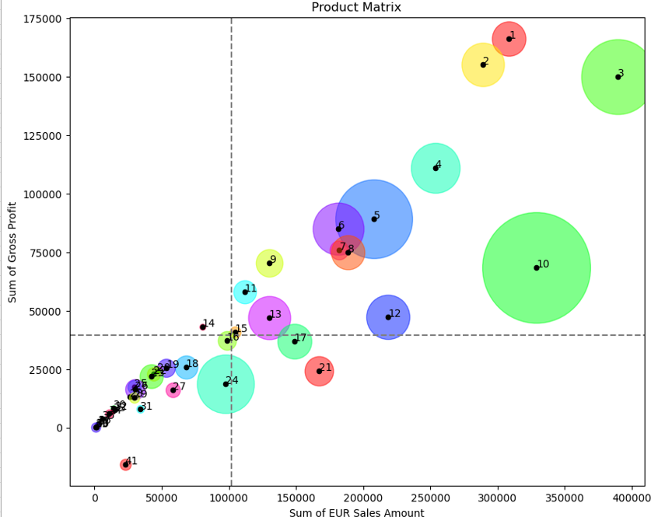
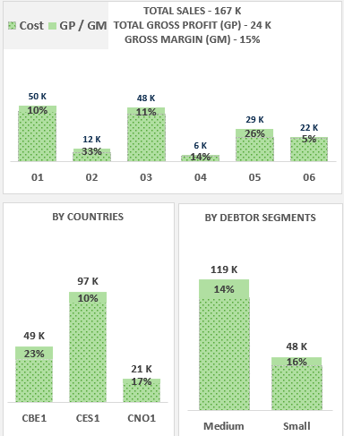
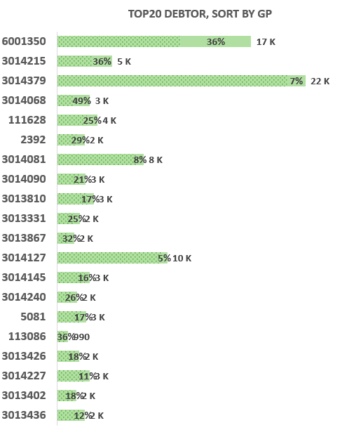

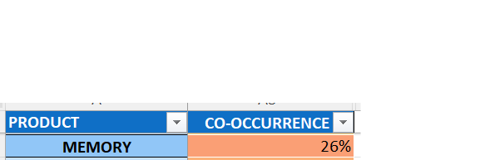

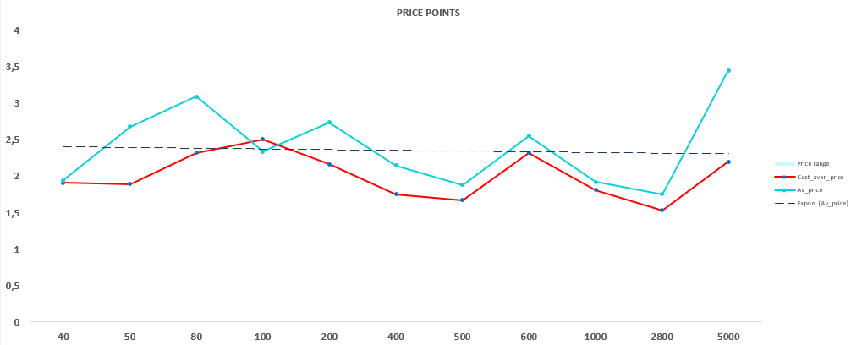
MAY

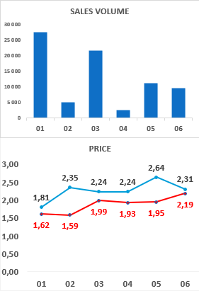
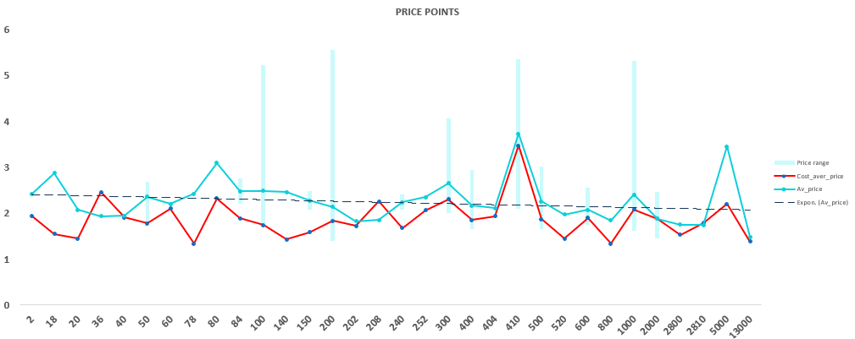

Several potential actions that could be considered: 1. Improving Gross Profit Margins: Since the 'Memory' subcategory has above-average revenue but below-average gross profit, strategies to improve gross profit margins should be considered. These might involve reducing costs (if possible), adjusting prices, or a combination of both. 2. Boosting Sales Volume in CBE1: Given that the profit margin is higher in CBE1, it could be beneficial to focus on increasing sales volume there. Specific marketing or sales initiatives to boost the revenue of "Memory" products in CBE1 should be considered. 3. Promoting Cross-Sales: With only 26% of 'Memory' products being sold together with other items, there may be opportunities to increase the gross margin through cross-sales. Bundling 'Memory' products with complementary products could help increase the overall purchase value. 4. Reevaluating Pricing Strategy with Debtors: The variations in profitability between different debtors suggest that there may be room to adjust pricing strategies. It might indicate that prices could be increased for the latter, provided this doesn't significantly impact sales volume. 5. Analyzing the Relationship Between Quantity Sold and Price: Given that there is no clear relationship between the quantity sold and the price of the product, further investigation might be needed to understand price elasticity and to optimize the pricing strategy.

Product matrix
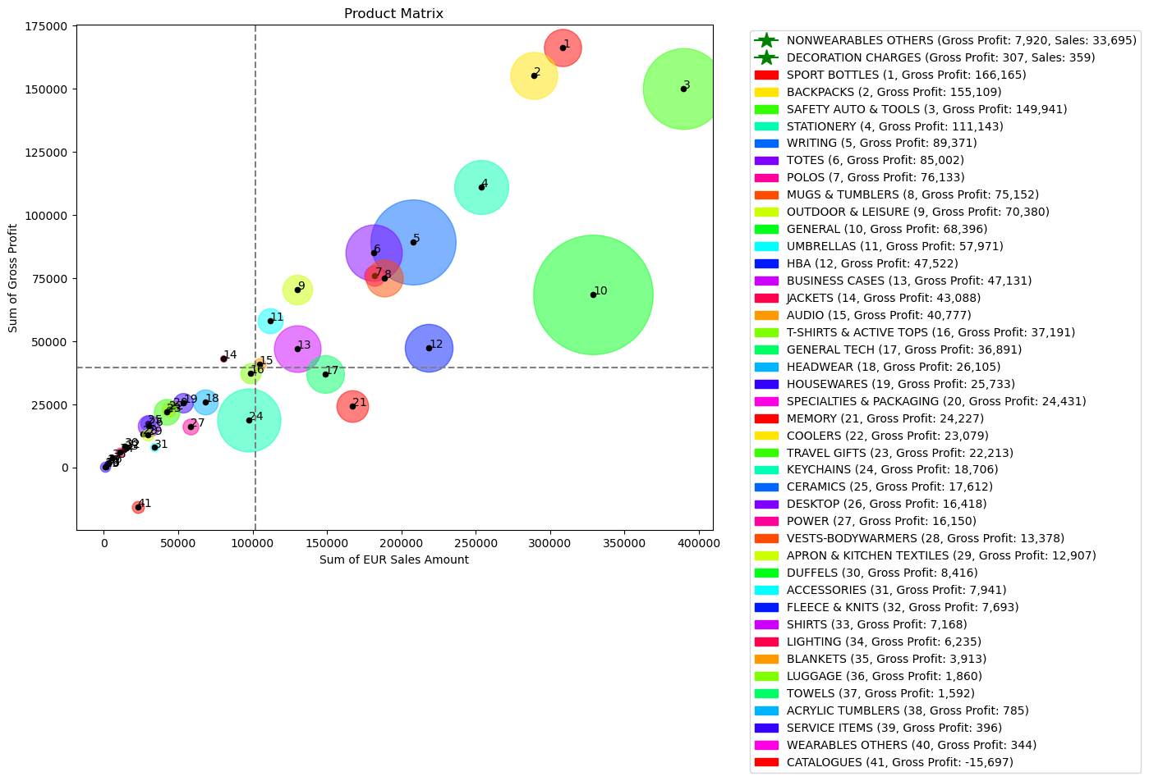

Upper right quadrant: Products in this quadrant have above-average values for both profit and sales revenue.
These are the most valuable products.
Upper left quadrant: Products in this quadrant have profit above average but sales revenue below average.
These are high-margin products.
Lower right quadrant: Products in this quadrant have profit below average, but sales revenue above average.
These are products with high sales volume but low margin.
Lower left quadrant: Products in this quadrant have both profit and sales revenue below average.
These are the least valuable products.

SALES + GROSS MARGIN
Select Values in Slicers
TOTAL SALES - 5,57 M TOTAL GROSS PROFIT (GP) - 2,27 M GROSS MARGIN (GM) - 41%
 | Cost | GP / GM | Add
01 | 568849.07377 | 457053.25107 | 20000
02 | 676903.88798 | 571624.43321 | 20000
03 | 469935.47981 | 356395.61607 | 20000
04 | 256210.26166 | 178658.48993 | 20000
05 | 921532.11701 | 411078.20525 | 20000
06 | 404659.84664 | 292195.84567 | 20000
CATEGORIES, SORT BY GP
 | Cost | Gross Profit | Add
NON-PRODUCT | 780364.70687 | 611110.59163 | 90000
HG GIFTS | 670178.88 | 363801.41645 | 90000
BAGS | 362559.5 | 344103.2865 | 90000
HG LIFESTYLE | 526774.9 | 322180.16034 | 90000
DRINKWARE | 290709.56 | 284556.87895 | 90000
KNITS | 180033.8 | 123312.36693 | 90000
TECHNOLOGY | 218008.12 | 93941.137808 | 90000
OUTERWEAR | 50901.62 | 57749.690202 | 90000
HEADWEAR | 41950.92 | 26113.193522 | 90000
MEMORY | 142739.42 | 24226.757102 | 90000
WOVEN | 32985.24 | 15566.361763 | 90000
APPAREL | 884 | 344 | 90000
TOP20 SUB-CATEGORIES, SORT BY GP
 | Cost | Gross Profit | Add
DECORATION CHARGES | 70,799.07 | 420,833.23 | 20,000.00
NONWEARABLES OTHERS | 670,151.90 | 205,926.31 | 20,000.00
SPORT BOTTLES | 142,498.42 | 166,408.80 | 20,000.00
BACKPACKS | 133,660.14 | 155,109.01 | 20,000.00
SAFETY AUTO & TOOLS | 242,222.44 | 150,940.67 | 20,000.00
STATIONERY | 142,345.78 | 111,142.64 | 20,003.00
WRITING | 119,276.92 | 89,649.00 | 20,000.00
TOTES | 97,204.28 | 85,696.33 | 20,004.00
POLOS | 106,294.36 | 76,351.42 | 20,001.00
MUGS & TUMBLERS | 113,432.22 | 75,151.86 | 20,004.00
OUTDOOR & LEISURE | 59,808.32 | 70,414.06 | 20,000.00
GENERAL | 260,631.52 | 68,521.99 | 20,000.00
UMBRELLAS | 55,676.68 | 59,363.50 | 20,002.00
HBA | 170,954.06 | 47,522.30 | 20,000.00
BUSINESS CASES | 82,981.32 | 47,257.68 | 20,000.00
JACKETS | 38,123.72 | 44,312.29 | 20,001.00
AUDIO | 63,824.66 | 40,792.18 | 20,002.00
T-SHIRTS & ACTIVE TOPS | 66,061.96 | 39,163.63 | 20,003.00
GENERAL TECH | 111,807.62 | 36,890.58 | 20,004.00
HOUSEWARES | 29,540.66 | 28,610.76 | 20,005.00
TOP20 DEBTORS, SORT BY GP
6001247 | 598,087.04 | 196,683.24 | 20,000.00
3014607 | 34,899.90 | 45,810.98 | 20,000.00
6001433 | 82,538.28 | 36,857.68 | 20,000.00
6001736 | 62,218.38 | 35,969.02 | 20,000.00
3013886 | 28,839.10 | 33,241.78 | 20,000.00
3014231 | 20,339.14 | 28,741.62 | 20,000.00
2632 | 66,643.74 | 26,898.32 | 20,000.00
3014196 | 18,913.64 | 26,816.02 | 20,000.00
100611 | 11,002.20 | 23,979.80 | 20,000.00
3014532 | 28,775.06 | 23,977.66 | 20,000.00
3014475 | 47,876.68 | 22,951.50 | 20,000.00
3014677 | 22,764.98 | 22,382.90 | 20,000.00
3014899 | 89,234.84 | 19,982.40 | 20,000.00
3014251 | 14,009.58 | 19,937.00 | 20,000.00
3013395 | 9,737.19 | 18,055.76 | 20,000.00
3013812 | 27,129.70 | 17,880.94 | 20,000.00
6001350 | 18,107.86 | 17,863.82 | 20,000.00
3014377 | 32,901.68 | 17,666.44 | 20,000.00
3013412 | 10,473.66 | 17,315.09 | 20,000.00
6000468 | 27,053.32 | 15,956.64 | 20,000.00

BY COUNTRIES
 | Cost | Gross Profit | Add
CES1 | 1808151.78 | 1188566 | 20000
CBE1 | 1260639.3 | 769752.98 | 20000
CNO1 | 229299.58687 | 308686.8612 | 20001
BY DEBTOR SEGMENTS
 | Cost | Gross Profit | Add
Medium | 2635824.7736 | 1740755.15 | 20000
Small | 662265.89325 | 526250.69117 | 20000

PRICES
Select Values in Slicers
SALES VOLUME
 | Total
01 | 27556
02 | 5048
03 | 21544
04 | 2460
05 | 11170
06 | 9550
PRICE POINTS
 | Price range | minPr_price | Cost_aver_price | Av_price
2 | 2.41 | 2.41 | 1.94 | 2.41
18 | 2.87 | 2.87 | 1.55 | 2.87
20 | 2.066613853 | 2.066613853 | 1.44 | 2.066613853
36 | 1.93 | 1.93 | 2.46 | 1.93
40 | 1.94 | 1.94 | 1.91 | 1.94
50 | 2.68 | 1.81 | 1.78 | 2.3544931207
60 | 2.2 | 2.2 | 2.10 | 2.2
78 | 2.42 | 2.42 | 1.34 | 2.42
80 | 3.09 | 3.09 | 2.32 | 3.09
84 | 2.75 | 2.2099559024 | 1.89 | 2.4799779512
100 | 5.22 | 1.73 | 1.74 | 2.4858603702
140 | 2.5 | 2.42 | 1.43 | 2.46
150 | 2.48 | 2.068 | 1.59 | 2.274
200 | 5.55 | 1.39 | 1.83 | 2.131638795
202 | 1.82 | 1.82 | 1.72 | 1.82
208 | 1.85 | 1.85 | 2.25 | 1.85
240 | 2.41 | 2.0686801821 | 1.67 | 2.239340091
252 | 2.35 | 2.35 | 2.06 | 2.35
300 | 4.06 | 2.01 | 2.30 | 2.6489590497
400 | 2.94 | 1.66 | 1.85 | 2.1606409591
404 | 2.11 | 2.11 | 1.93 | 2.11
410 | 5.36 | 2.1 | 3.48 | 3.73
500 | 3.01 | 1.65 | 1.86 | 2.2499935895
520 | 1.97 | 1.97 | 1.45 | 1.97
600 | 2.55 | 1.7349360917 | 1.89 | 2.0716453639
800 | 1.84 | 1.84 | 1.34 | 1.84
1000 | 5.312 | 1.62 | 2.08 | 2.4002068466
2000 | 2.47 | 1.44 | 1.88 | 1.8733333333
2800 | 1.75 | 1.75 | 1.53 | 1.75
2810 | 1.74 | 1.74 | 1.79 | 1.74
5000 | 3.45 | 3.45 | 2.20 | 3.45
13000 | 1.48 | 1.48 | 1.38 | 1.48

PRICE
 | Cost_per_unit | Av_price
01 | 1.62 | 1.81
02 | 1.59 | 2.35
03 | 1.99 | 2.24
04 | 1.93 | 2.24
05 | 1.95 | 2.64
06 | 2.19 | 2.31

